Instruction
 | Q-Plan Template Instruction
1 | File Naming Rule as "Project number_Build name_Part Name_Document type__Vendor name_Date(YYYYMMDD)" (eg. J817_P1_HSG_Q-Plan_McEG_20240701)
2 | For revison sheet, need add APN for specific process whenever available.
3 | For CNC prcoess, need add process description (eg. CNC5 structure side finishing CNC).
4 | For IM process, need add quality control plan for K87 (Ano 0) as well.
5 | For CTQ category, need split into different categories: Critical to ID feature, Critical to FATP, Critical to HSG assembly, NUD (new/unique/difficult), Not CTQ
6 | For QC stations (eg. AIM, Ano QC, FQC), need to treat as the same as process station in Q-plan and add its control plan in IPQC.
7 | For Rel control plan, Rel option stands for specific opition need to be implemented (eg. 504Hrs Heat Soak, 72Hrs Temperature Humidity Cycle, 300hrs Indoor Exposure)

 | IQC Reaction Plan
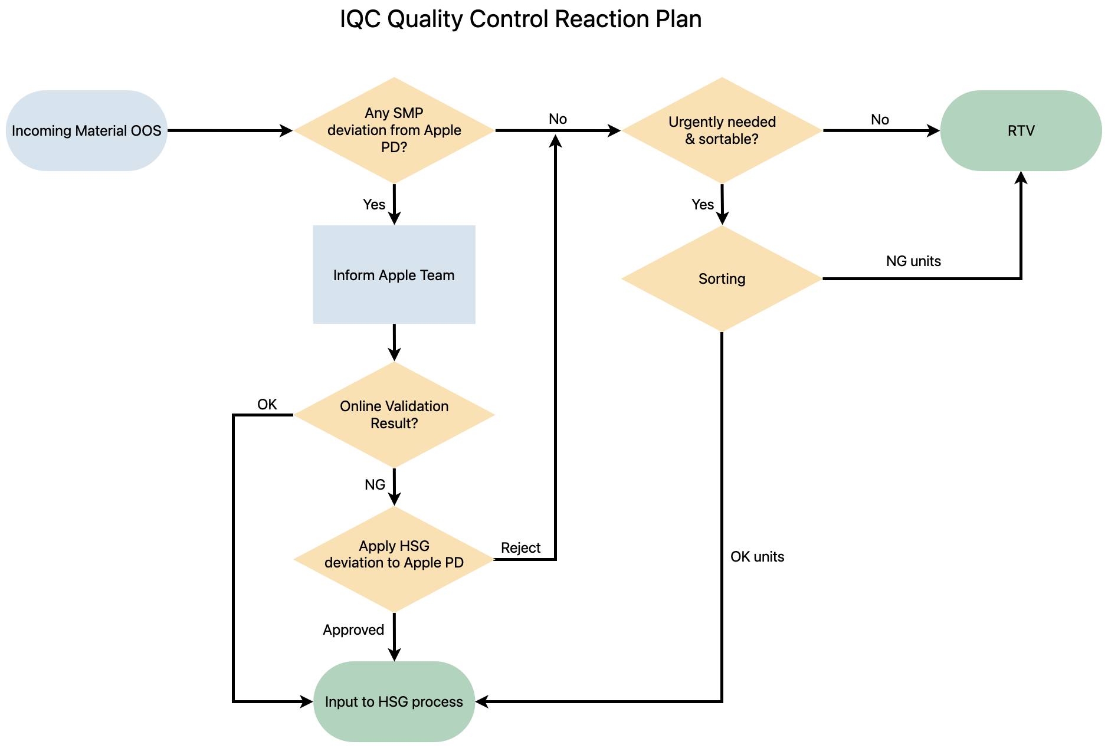

 | Online Quality Control Reaction Plan - Dimension
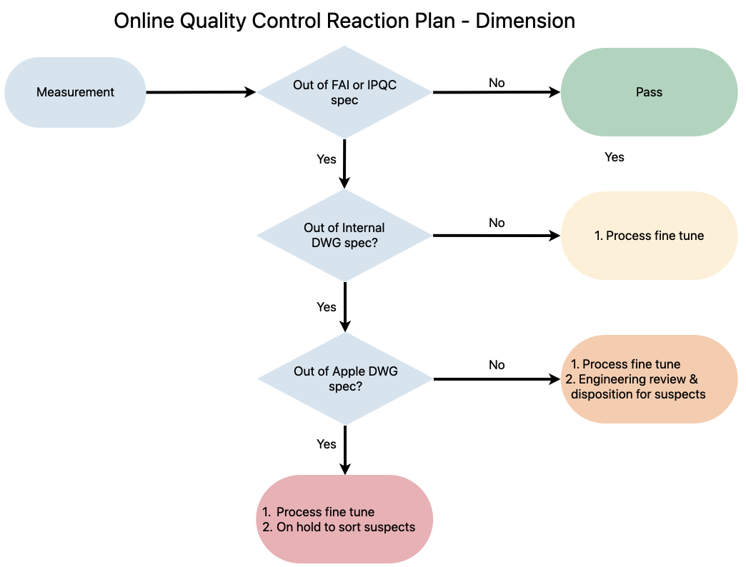

 | Online Quality Control Reaction Plan - ORT
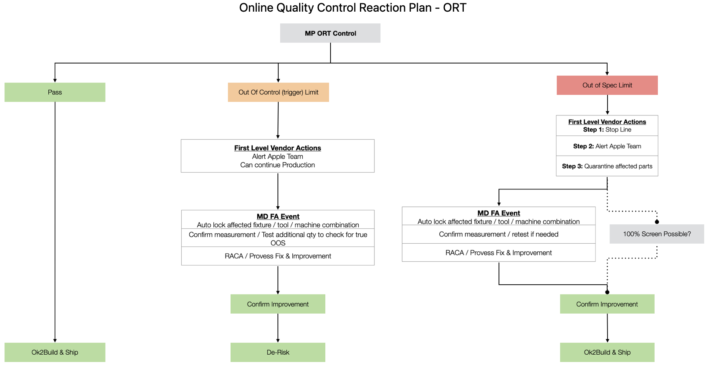

 | Rel Test Reaction Plan

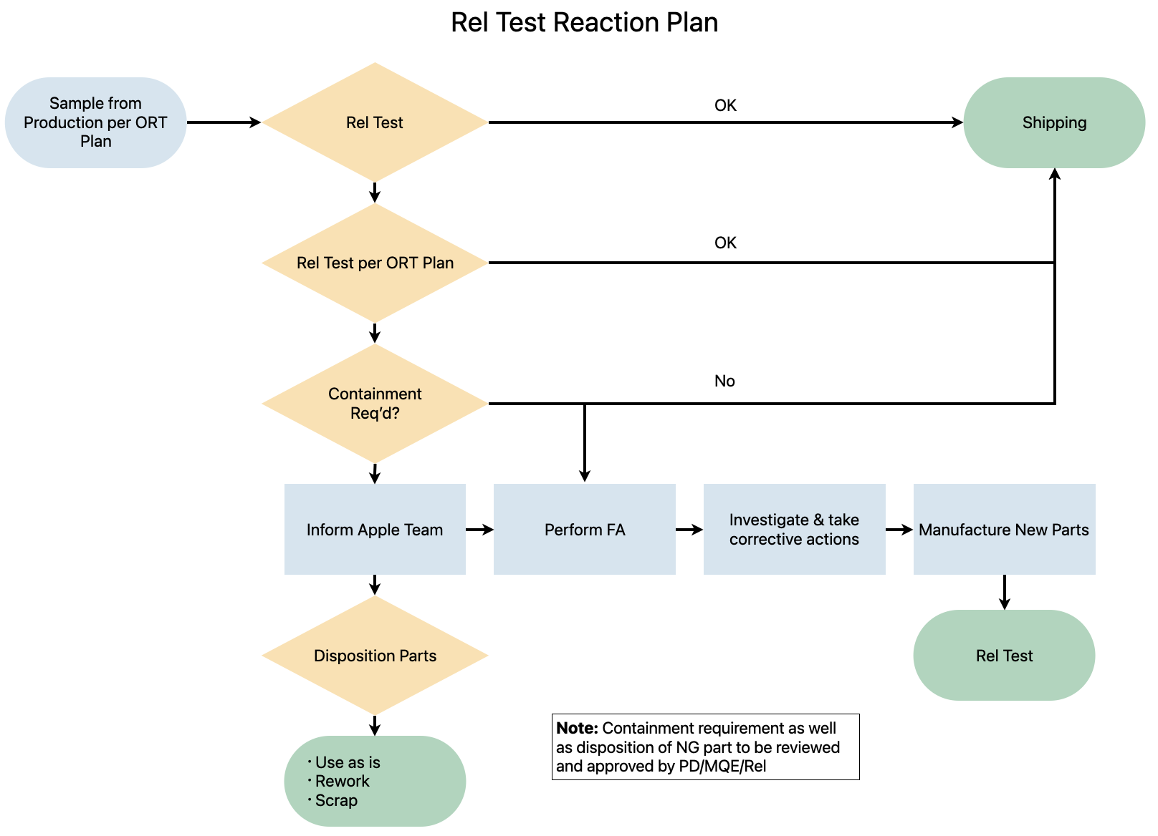

 | Q-Plan Template Revisions
 | Revision | Date | Description
 | 1 | 2024-05-31 | Initial release
 | 2 | 2024-07-04 | Changed Q-plan logic, added reaction plan
 | 3 | 2024-07-09 | Small bug fix
 | 4 | 2024-08-05 | Split FAI and IPQC spec, updated reaction plan
 | 5 | 2024-08-09 | Remove "rel" from category
 | 6 | 2024-08-14 | Small bug fix

